Sheet1
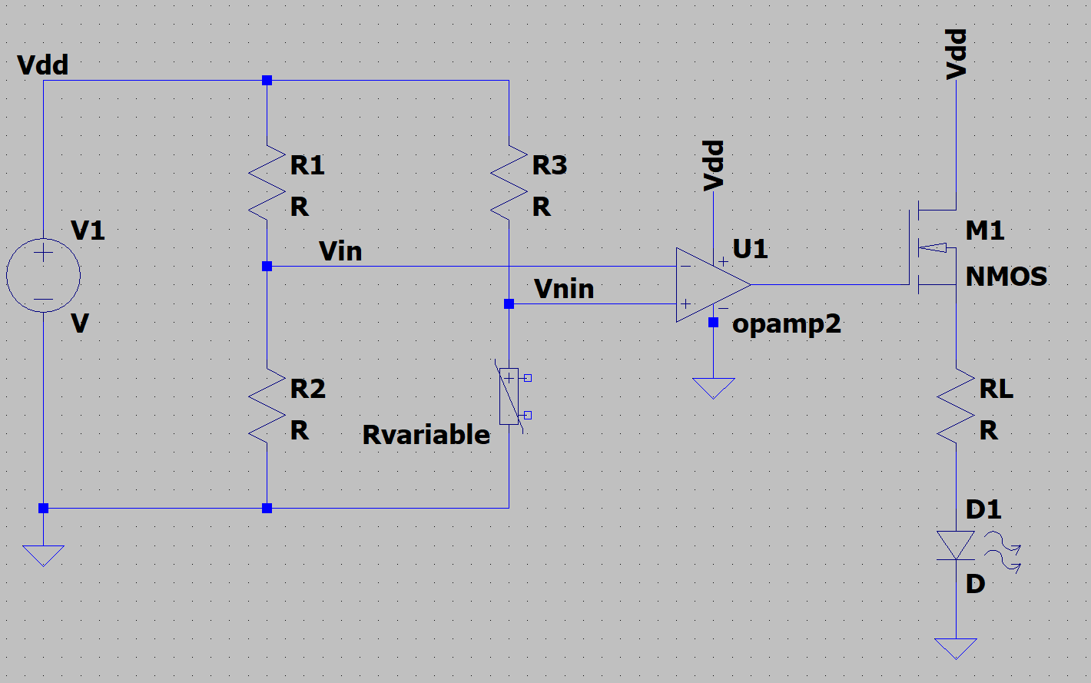
MOSFET Gate Voltage vs. Non-Inverting Voltage
Vin | Vnin | Vg
5 | 8 | 8.81
5 | 7 | 8.76
5 | 6 | 8.78
5 | 5.04 | 8.81
5 | 4.98 | 0
5 | 4 | 0
5 | 3 | 0
5 | 2 | 0
5 | 1 | 0

